How to fill in
CAUTIONS FOR FILLING AN ORDER FORM
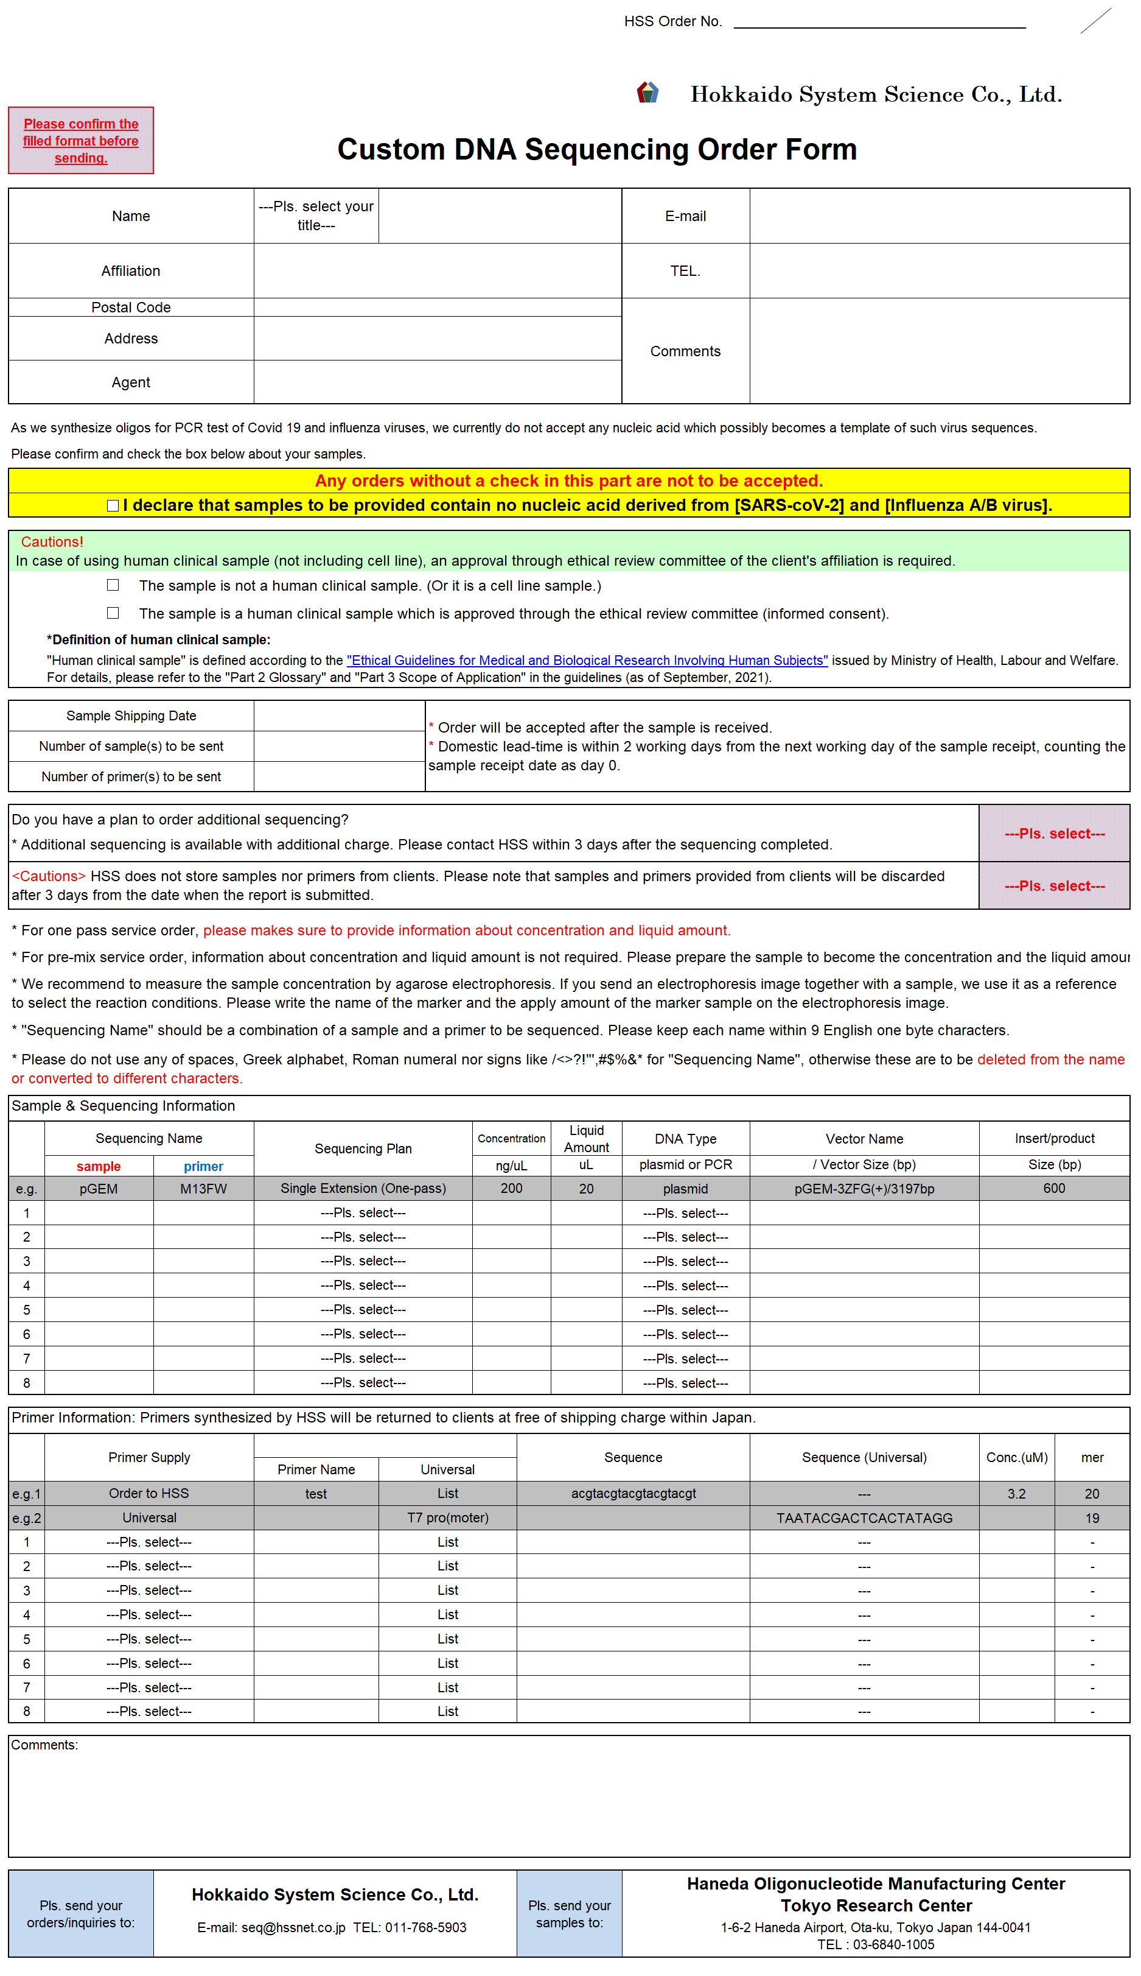

① | Please make sure to check the box to confirm your samples are not against our acceptance standard.
 | Any orders without a check in this part are not to be accepted.

② | - Sample Shipping Date -> Please fill the date when your samples were shipped.
 | - Number of samples and primers to be shipped -> Please fill the number of samples/primers you shipped.

①
③ | - Additional sequencing required? -> Please select "Yes" when you wish additional sequencing.
 | HSS does not store samples nor primers from the clients.
 | Please ask to store samples in advance if necessary, otherwise all samples and primers are to be discarded 3 (three) days after the analysis completion.

 | Though you request additional sequencing in advance, samples and primers are to be discarded 3 (three) days after the analysis completed if there is no further direction.

②
 | When long term storage is required, please make sure to inquire in advance.

③
④ | - Sequencing Name -> Please fill the Sample Name and the Primer Name.
 | * Please keep each name within 9 English one byte characters. Greek alphabet, Roman numbers, spaces or signs are not applicable.

 | - Sequencing Plan -> Please select from pre-mix, one pass, full service or primer walking (SSS or DSS method). - Concentration & Liquid Amount -> For one pass service order, please make sure to provide information about concentration and liquid amount. - DNA Type -> Please select DNA type corresponding to each sample. (Please select "PCR" for PCR product and "Plasmid" for plasmid DNA.) * We recommend to measure the sample concentration by agarose electrophoresis. If you send an electrophoresis image together with a sample, we will use it as a reference to select the reaction conditions. Please write the name of the marker and the apply amount of the marker sample on the electrophoresis image.

④

⑤
⑤ | - Primer Supply
 | Universal ->Please select "Universal" from Primer Supply, and select desired primer from the Universal List. Universal primers are available for one pass and full service.

 | Your own primer -> Please select "Client's supply" from Primer Supply, and fill the primer name, sequence and primer concentration. Your sequence entered will be counted for the column "mer". Please do not put any space in between. Please send 10uL or more of primer with 3.2uM concentration. Please note that primers with no concentration specified are deemed to be 3.2uM concentration.

⑥
 | Primer synthesis option by HSS ->Please select "Order to HSS" from Primer Supply, and fill in the primer name and the sequence.Upon completion of sequencing, HSS synthesized primers are to be sent to clients freight free. For synthesis fee, please inquire.

⑥ | - Comments ->Please write any comments on optional service requirements, sample conditions or invoicing.
 | (e.g.) Purification is required for the sample. (Pls. specify the purification type such as column or gel extraction.) The sample has a special sequence such as homopolymer, polyT, polyA, GC content, repeat sequence and so on. For available optional services, please see our web site, https://www.hssnet.co.jp/2/2_3_1_3.html

Delivery data
Base sequence data (txt.) and waveform data (Ab1) will be delivered to the client via web site.
For the first order with us, free software to browse waveform data (Ab1) will be informed to the client.

 |  | 〇 Please select the Order Form worksheet down below and fill it out according to the above example.
 |  | 〇 For more than 8 sequencing order, please use Order Form (2) - (3) worksheet.

